Sheet1
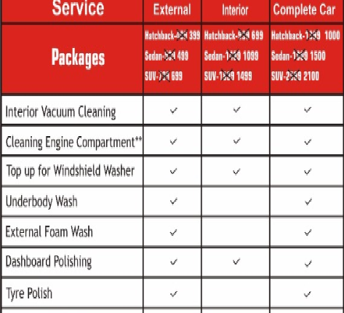
Pikquick Car Spa - Onetime & Annual Membership
 | One Time Charges |  | Annaul Charges
Type Of Vehicle | Inaugural discount External wash | Inaugural discount Complete cleaning | Economy(External-12) | Premium(External-8-complete-4) | Gold(External-6-complete-6)
Hatchback | 399 | 1000 | 4299 | 6399 | 7499
Sedan | 499 | 1500 | 5299 | 8899 | 10499
SUV | 699 | 2100 | 7499 | 12499 | 14999
Luxury | 799 | 2600 | 8499 | 14999 | 17999

Free Benefits with Annaul Packages:
Puncher assistance 3 times within city
Repair assistance 2 times within City
Car Kit
Discount on your CAR insurance
Car Perfume
* Excluding 4299/- &5299/- Annaul Packages

